MindMap_TestCase of Android App
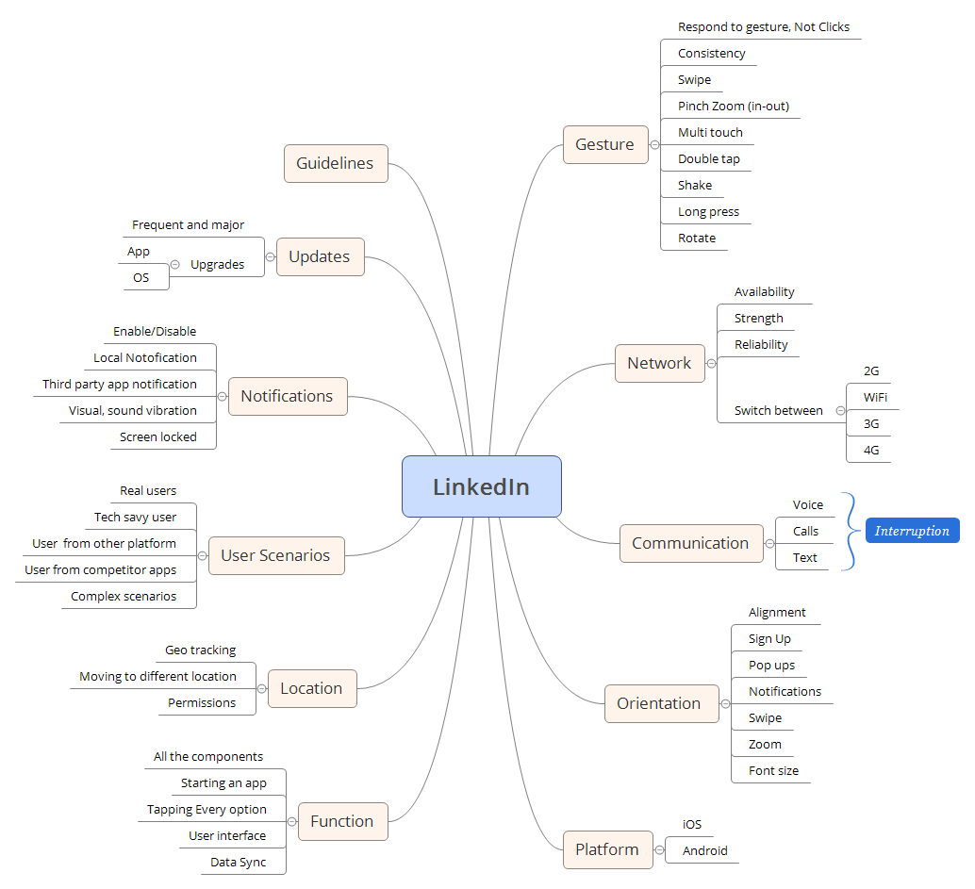
Summary
Since the component wise testcases are already mentioned under the Test cases of liknedin website, Linked App different scenarios can be based on the mindmap which are shown below

